Sheet1
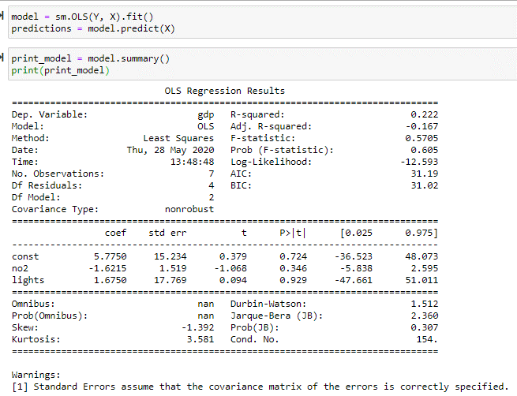
20180801-20180807 | 9.972 | 55 | #24d6c9 | Blue | 10 | 5.5 | Red | 2
 |  | 43.2 | #2da6d3 | Blue | 10 | 4.32 | Orange | 4
 |  | 0.8 | #5caf0b | Green | 8 | 0.064 | Yellow | 6
 |  | 0.8 | #9acc06 | Green | 8 | 0.064 | Green | 8
 |  | 0.2 | #0ca06e | Green | 8 | 0.016 | Blue | 10
 |  | 0.1 | #2ec35a | Green | 8 | 0.008 | Violet | 12
 |  |  |  |  | #N/A | #N/A | Black | 14
20181101-20181107 | 7.632 | 43.1 | #10901dGreen | Green | 8 | 3.448
 |  | 16.7 | #43a100Green | Green | 8 | 1.336
 |  | 14.1 | #68b401Green | Green | 8 | 1.128
 |  | 12 | #92c804Yellow | Yellow | 6 | 0.72
 |  | 7.7 | #b7db04Green | Green | 8 | 0.616
 |  | 5.1 | #e1f003Yellow | Yellow | 6 | 0.306
 |  | 0.7 | #f8e903Yellow | Yellow | 6 | 0.042
 |  | 0.6 | #fbcb02Yellow | Yellow | 6 | 0.036
 |  |  |  |  | #N/A | #N/A
20190201-20190207 | 8.624 | 32.2 | #11e0c9Blue | Blue | 10 | 3.22
 |  | 29.1 | #2c9408Green | Green | 8 | 2.328
 |  | 16.1 | #06b265Green | Green | 8 | 1.288
 |  | 10.6 | #049b36Green | Green | 8 | 0.848
 |  | 6.5 | #96cb02Yellow | Yellow | 6 | 0.39
 |  | 2.1 | #27b5daBlue | Blue | 10 | 0.21
 |  | 2 | #3694c9Blue | Blue | 10 | 0.2
 |  | 1.4 | #4d67b3Blue | Blue | 10 | 0.14
 |  |  |  |  | #N/A | #N/A
20190501-20190507 | 9.88 | 31.7 | #31a0cfBlue | Blue | 10 | 3.17
 |  | 26.1 | #1fc1e0Blue | Blue | 10 | 2.61
 |  | 22.4 | #4081c0Blue | Blue | 10 | 2.24
 |  | 7.2 | #09f7f3Blue | Blue | 10 | 0.72
 |  | 6.2 | #13e5f1Blue | Blue | 10 | 0.62
 |  | 5 | #00ddbbGreen | Green | 8 | 0.4
 |  | 1.5 | #04b872Green | Green | 8 | 0.12
 |  |  |  |  | #N/A | #N/A
 |  |  |  |  | #N/A | #N/A
20190801-20190807 | 9.77 | 71.5 | #3f89c4Blue | Blue | 10 | 7.15
 |  | 9.8 | #14d7ebBlue | Blue | 10 | 0.98
 |  | 7.6 | #09f3eeBlue | Blue | 10 | 0.76
 |  | 6.1 | #08d5abGreen | Green | 8 | 0.488
 |  | 2.7 | #06b368Green | Green | 8 | 0.216
 |  | 2.2 | #03952cGreen | Green | 8 | 0.176
 |  |  |  |  | #N/A | #N/A
 |  |  |  |  | #N/A | #N/A
 |  |  |  |  | #N/A | #N/A
20191101-20191107 | 11.306 | 64.8 | #6b2f95Violet | Violet | 12 | 7.776
 |  | 12.2 | #496eb7Blue | Blue | 10 | 1.22
 |  | 9 | #525baeBlue | Blue | 10 | 0.9
 |  | 6.5 | #4080c0Blue | Blue | 10 | 0.65
 |  | 4.5 | #31a0d0Blue | Blue | 10 | 0.45
 |  | 3.1 | #398ec7Blue | Blue | 10 | 0.31
 |  |  |  |  | #N/A | #N/A
 |  |  |  |  | #N/A | #N/A
20191110-20191117 | 10.378 | 63.4 | #4902beBlue | Blue | 10 | 6.34
 |  | 10.8 | #760d89Violet | Violet | 12 | 1.296
 |  | 5.3 | #66349bViolet | Violet | 12 | 0.636
 |  | 4.4 | #5851a8Violet | Violet | 12 | 0.528
 |  | 4.2 | #3b8cc6Blue | Blue | 10 | 0.42
 |  | 3.5 | #0fece1Blue | Blue | 10 | 0.35
 |  | 3.4 | #27b3d8Blue | Blue | 10 | 0.34
 |  | 2.3 | #4b6ab5Blue | Blue | 10 | 0.23
 |  | 1.5 | #16dbecBlue | Blue | 10 | 0.15
 |  | 1.1 | #06d0a0Green | Green | 8 | 0.088
 |  |  |  |  | #N/A | #N/A
 |  |  |  |  | #N/A | #N/A
20200201-20200207 | 10.528 | 38 | #693398Violet | Violet | 12 | 4.56
 |  | 15.9 | #24c0dfBlue | Blue | 10 | 1.59
 |  | 10.4 | #4479bdBlue | Blue | 10 | 1.04
 |  | 9.6 | #0ec284Green | Green | 8 | 0.768
 |  | 6.7 | #4d66b3Blue | Blue | 10 | 0.67
 |  | 6.3 | #08f1e8Blue | Blue | 10 | 0.63
 |  | 6.1 | #3a8dc7Blue | Blue | 10 | 0.61
 |  | 5 | #329cceBlue | Blue | 10 | 0.5
 |  | 2 | #0c8b11Green | Green | 8 | 0.16
 |  |  |  |  | #N/A | #N/A
20200501-20200507 | 11.282 | 45.8 | #673499Violet | Violet | 12 | 5.496
 |  | 20.8 | #4f62b1Blue | Blue | 10 | 2.08
 |  | 18.3 | #584fa8Violet | Violet | 12 | 2.196
 |  | 9.1 | #4080c0Blue | Blue | 10 | 0.91
 |  | 6 | #2fa4d2Blue | Blue | 10 | 0.6

20180801-20180807 | 4.986
20181101-20181107 | 3.816
20190201-20190207 | 4.312
August 1, 2018 | 4.986 | 0.73903 | -0.1
November 1, 2018 | 3.816 | 0.73875 | 0.1
February 1, 2019 | 4.312 | 0.83878 | 0.2
May 1, 2019 | 4.94 | 0.7267 | 0.1
August 1, 2019 | 4.885 | 0.82 | 0.1
November 10, 2019 | 5.189 | 0.80528 | -0.3
February 1, 2020 | 5.264 | 0.77726 | -4.7
May 1, 2020 | 5.641 | 0.74904
20190501-20190507 | 4.94
20190801-20190807 | 4.885
20191101-20191107 | 5.653
20191110-20191117 | 5.189
20200201-20200207 | 5.264
20200501-20200507 | 5.641

 | NO2 | Lights | GDP
August 1, 2018 | 4.986 | 0.73903 | -0.1
November 1, 2018 | 3.816 | 0.73875 | 0.1
February 1, 2019 | 4.312 | 0.83878 | 0.2
May 1, 2019 | 4.94 | 0.7267 | 0.1
August 1, 2019 | 4.885 | 0.82 | 0.1
November 10, 2019 | 5.189 | 0.80528 | -0.3
February 1, 2020 | 5.264 | 0.77726 | -4.7
May 1, 2020 | 5.641 | 0.74904

